P1.4
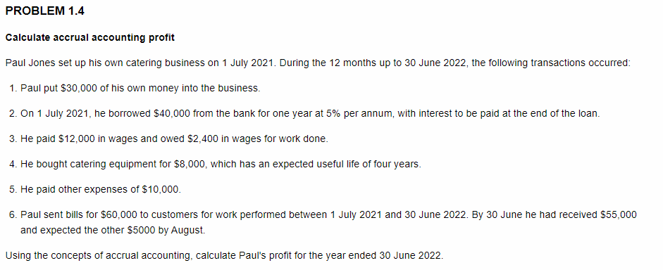
Problem 1.4
Financial Year | 1.7.2021 - 30.6.2022
Note: If a transaction does not involve any revenue or expenses, leave the account name and amount fields blank

Transaction | Revenues |  | Expenses
 | Account Name | Amount ($) | Account Name | Amount ($)
1 | Not revenue |  | Not expense
2 |  |  | Interest expense | 2,000
3 |  |  | Wages expense | 14,400
4 |  |  | Depreciation expense | 2,000
5 |  |  | Other expenses | 10,000
6 | Service revenue | 60,000
Total |  | 60,000 |  | 28,400
Profit | 31,600

JB Hi Fi Tutorial Activity
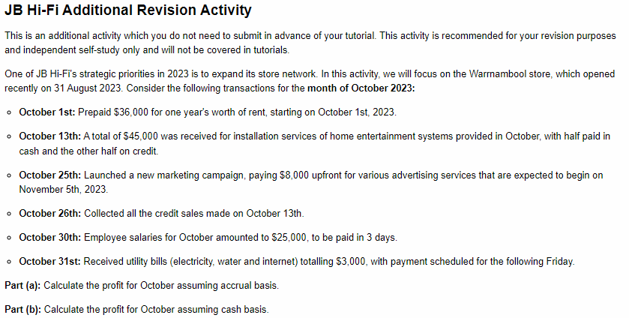

Note: if there is no revenue or expense to be recorded on particular date, then leave the account name and amount blank

Part a. | Accrual basis
Date | Revenues |  | Expenses
 | Account Name | Amount ($) | Account Name | Amount ($)
October 1st |  |  | Rent expense | $3,000 | In October, the rent price is 1/12 of the whole year
October 13th | Sales revenue | $45,000 |  |  | All of owed money is counted
October 25th |  |  | Advertising expense | $0 | Service is not received until November
October 26th | - | - | - | -
October 30th |  |  | Wages expense | $25,000
October 31st |  |  | Utility expense | $3,000
Total | 45,000 |  | 31,000
Accrual profit | 14,000

Part b. | Cash basis
 | Revenues |  | Expenses
Date | Account Name | Amount ($) | Account Name | Amount ($)
October 1st |  |  | Rent expense | $36,000 | The entire cash sum is accounted for
October 13th | Sales revenue | $22,500 |  |  | Only received cash is counted
October 25th |  |  | Advertising expense | $8,000
October 26th | Sales revenue | $22,500 |  |  | Remaining owed money counted
October 30th | - | - | - | - | Not paid until November
October 31st
Total | 45,000 |  | 44,000
Cash Profit | 1,000

